1. Title Page
[Instacard Grocer Basket Analysis]

Project Name: Instacard Grocery Basket Analysis
Date: July 30, 2024
Analyst Name: Tony Nguyen

Contents:
Population Flow
Consistency checks
Wrangling steps
Column derivations
Visualizations
Recommendations

Data Source:
“The Instacart Online Grocery Shopping Dataset 2017”, Accessed from https://www.instacart.com/datasets/grocery-shopping-2017 on November 10, 2022.
Customer data and the “prices” column in the products data set were fabricated for the purpose of this course.

2. Population Flow
Title page

Population flow

Exclusion flag
Condition: max_order < 5
Obervations to be removed:
Final total count of order_products_all: 32,404,859

Orders_products_combined
Orders_products_merged
Orders_products_all

Total: 32,404,859
Total: 32,434,489
Total: 32,404,859

1.) The grey boxes in the first row of the population flow represent the original data sets as they were when you downloaded them. In the Total fields you need to add the count of the rows when you imported the data set into Jupyter.
2.) The second row of boxes (coloured) represents the data sets after you manipulated them, e.g., removed missing values and duplicates. In the Total fields you need to add the count of the rows after conducting these operations. This offers a visual oveview of how the data flows throughout the data consistency checks.
3.) The third row, where also the arrows are coloured, represents the merges you performed between the datasets. In the Total fields you need to add the count of the rows in the merged datasets, so that you end up with the final dataset (in the red box). Keep in mind the final dataset should be without exclusions (based on the exclusion flag).

3. Consistency checks
 |  |  |  | Title page
Consistency checks

Dataset | Missing values | Missing values treatment | Duplicates
orders | 206209 in days simnce prior order | imputed with 0 | no duplicates
products | 16 product names missing | Created new dataframe without missing values | 5 duplicates were found and deleted
orders_products_prior | None |  | No duplicates
customers
customers | first_name 11259 | All firstname and surname deleted due to PII | 0 duplicates

4. Wrangling steps
 |  |  |  |  | Title page
Wrangling steps

Dataset | Columns dropped | Columns renamed | Columns' type changed | Comment/Reason
 | _merge
customers |  | First Name -> first_name Surnam -> surname Gender -> gender Age -> age STATE -> state fam_status - > marital status

orders |  |  | order_id | changed to string
 |  |  | user_id | changed to string

5. Column derivations
 |  |  |  | Title page

Column derivations and aggregations

In this tab you should add tables below that the frequences of flags/label variables that you produced after deriving them. NB: don't do this for continuous variables, only for flags.
Dataset | New column | Column/s it was derived from | Conditions
ords_prods_merge | price_range | price | row['prices'] <= 5: Returns 'Low-range product'. 5 < row['prices'] <= 15: Returns 'Mid-range product'. row['prices'] > 15: Returns 'High range'. Any other case: Returns 'Not enough data' (unreachable with numerical values).
ords_prods_merge | busiest_day | orders_day_of_the_weeh | If value in ords_prods_merge["orders_day_of_week"] is 0, append "Busiest day" to result. If value is 4, append "Least busy" to result. For any other value, append "Regularly busy" to result.
ords_prods_merge | Capacity | orders_day_of_the_weeh | If value in ords_prods_merge["orders_day_of_week"] is 0 or 1, append "Busiest day" to result. If value is 3 or 4, append "Least busy" to result. For any other value, append "Regularly busy" to result.
ords_prods_merge | busest_period_day | order_hour_of_day | If hour of day < list_quantile[2] then fewest orders. If else hour of day >= list_quantile[2] and <=list_quantile [1] then average orders. If else hour of day >=list_quantile [1] then most orders.
ords_prods_merge | max_order | group by user id, maximum from order_number | Maximu number of orders
ords_prods_merge | loyalty_flag | max_order | 40 < loyal customer, 40 > regular customer, 10> new customer
ords_prods_merge | mean_product_price | price | mean price
ords_prods_merge | spending_flag | mean_product_price | above 10 high spender, below 10 low spender
ords_prods_merge | median_days_since_prior_order | days_since_prior_order | calculate median by id
ords_prods_merge | order_frequency_flag | median_days_since_prior_order | If the median of “days_since_prior_order” is higher than 20, then the customer should be labeled a “Non-frequent customer.” If the median is higher than 10 and lower than or equal to 20, then the customer should be labeled a “Regular customer.” If the median is lower than or equal to 10, then the customer should be labeled a “Frequent customer.”
copm | region | state | Northeast=['Maine','New Hampshire','Vermont','Massachusetts','Rhode Island','Connecticut','New York','Pennsylvania','New Jersey'] Midwest=['Wisconsin','Michigan','Illinois','Indiana','Ohio','North Dakota','South Dakota','Nebraska','Kansas','Minnesota','Iowa','Missouri'] South=['Delaware','Maryland','District of Columbia','Virginia','West Virginia','North Carolina','South Carolina','Georgia','Florida','Kentucky', 'Tennessee','Mississippi','Alabama','Oklahoma','Texas','Arkansas','Louisiana'] West=['Idaho','Montana','Wyoming','Nevada','Utah','Colorado','Arizona','New Mexico','Alaska','Washington','Oregon','California','Hawaii']
copm | age group | age | Young Adults: Defined as customers aged 25 years and under. Adults: Encompasses customers aged between 26 and 35 years. Middle Aged: Includes customers aged between 36 and 55 years. Seniors: Comprises customers who are over 55 years old.
 | income_group | income | Low Income: Below $40,000 Middle Income: $40,000 to $80,000 High Income: Above $80,000
 | dependants_flag | n_dependants | 0 -> no dependants , if larger then 0 has dependants

6. Visualizations
 |  |  |  |  |  |  |  |  | Title page

Visualisations

In this tab you should include all the visualtions from Exercises 4.9 and 4.10, alongside the questions from the project brief that they answer. Include any commentary on the relationship between different variables.

 | What days of the week and hour of the day are the busiest?
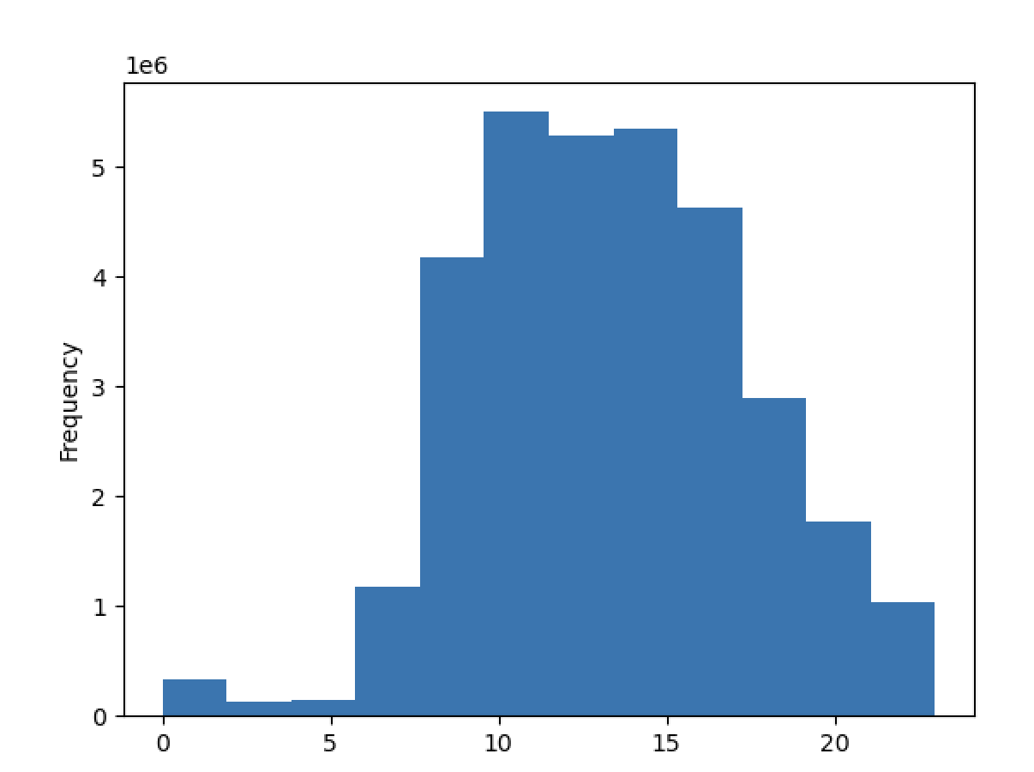
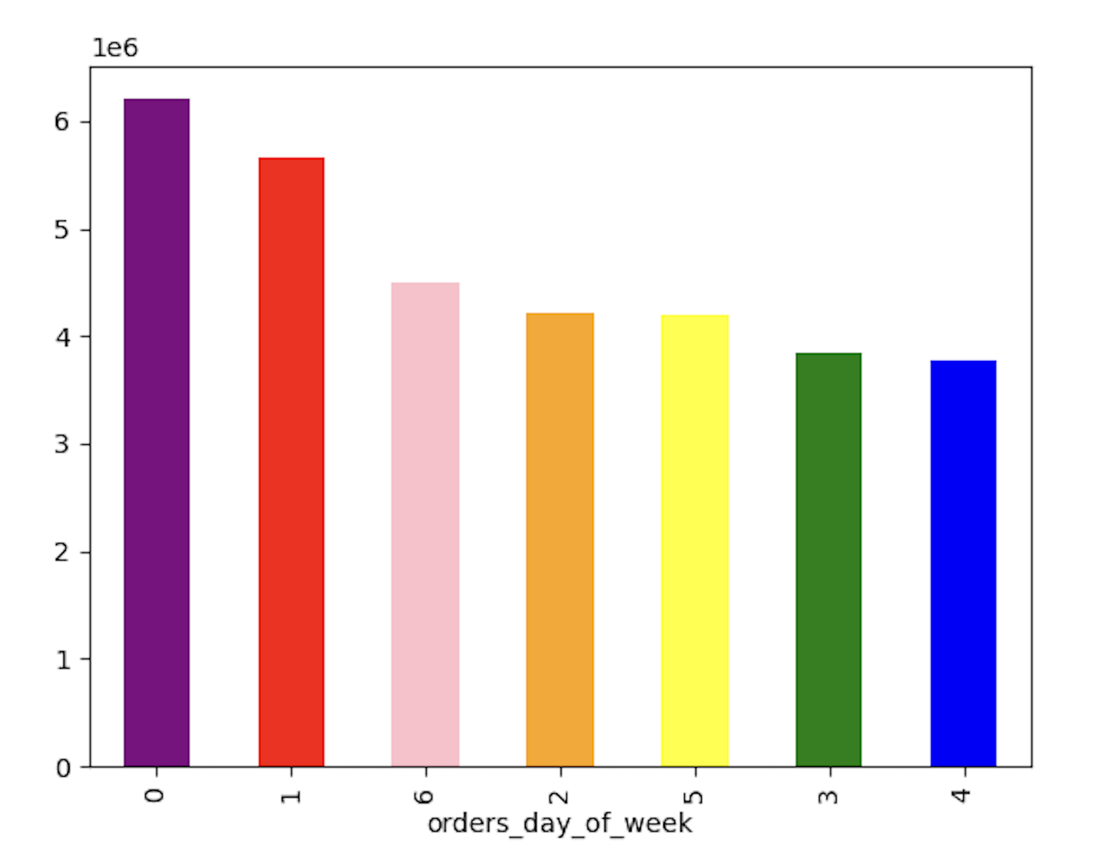
 |  |  |  |  | 0 | Saturday
 |  |  |  |  | 1 | Sunday
 |  |  |  |  | 2 | Monday
 |  |  |  |  | 3 | Tuesday
 |  |  |  |  | 4 | Wednesday
 |  |  |  |  | 5 | Thursday
 |  |  |  |  | 6 | Friday

 |  |  |  | Busiest days of the week are Saturday and Sunday and the least busy is Wednesday

 | What times of the day do people spend the most money?

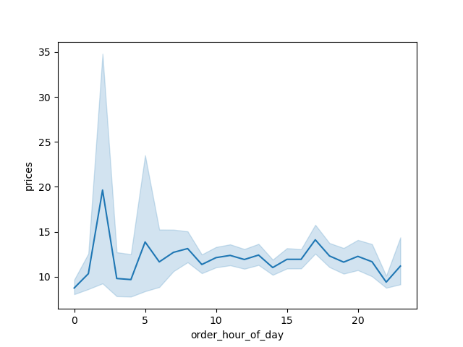 |  |  | People spend most of the money after midnight from about 1-4 o clock

 | Are there certain types of products that are more popular then others?
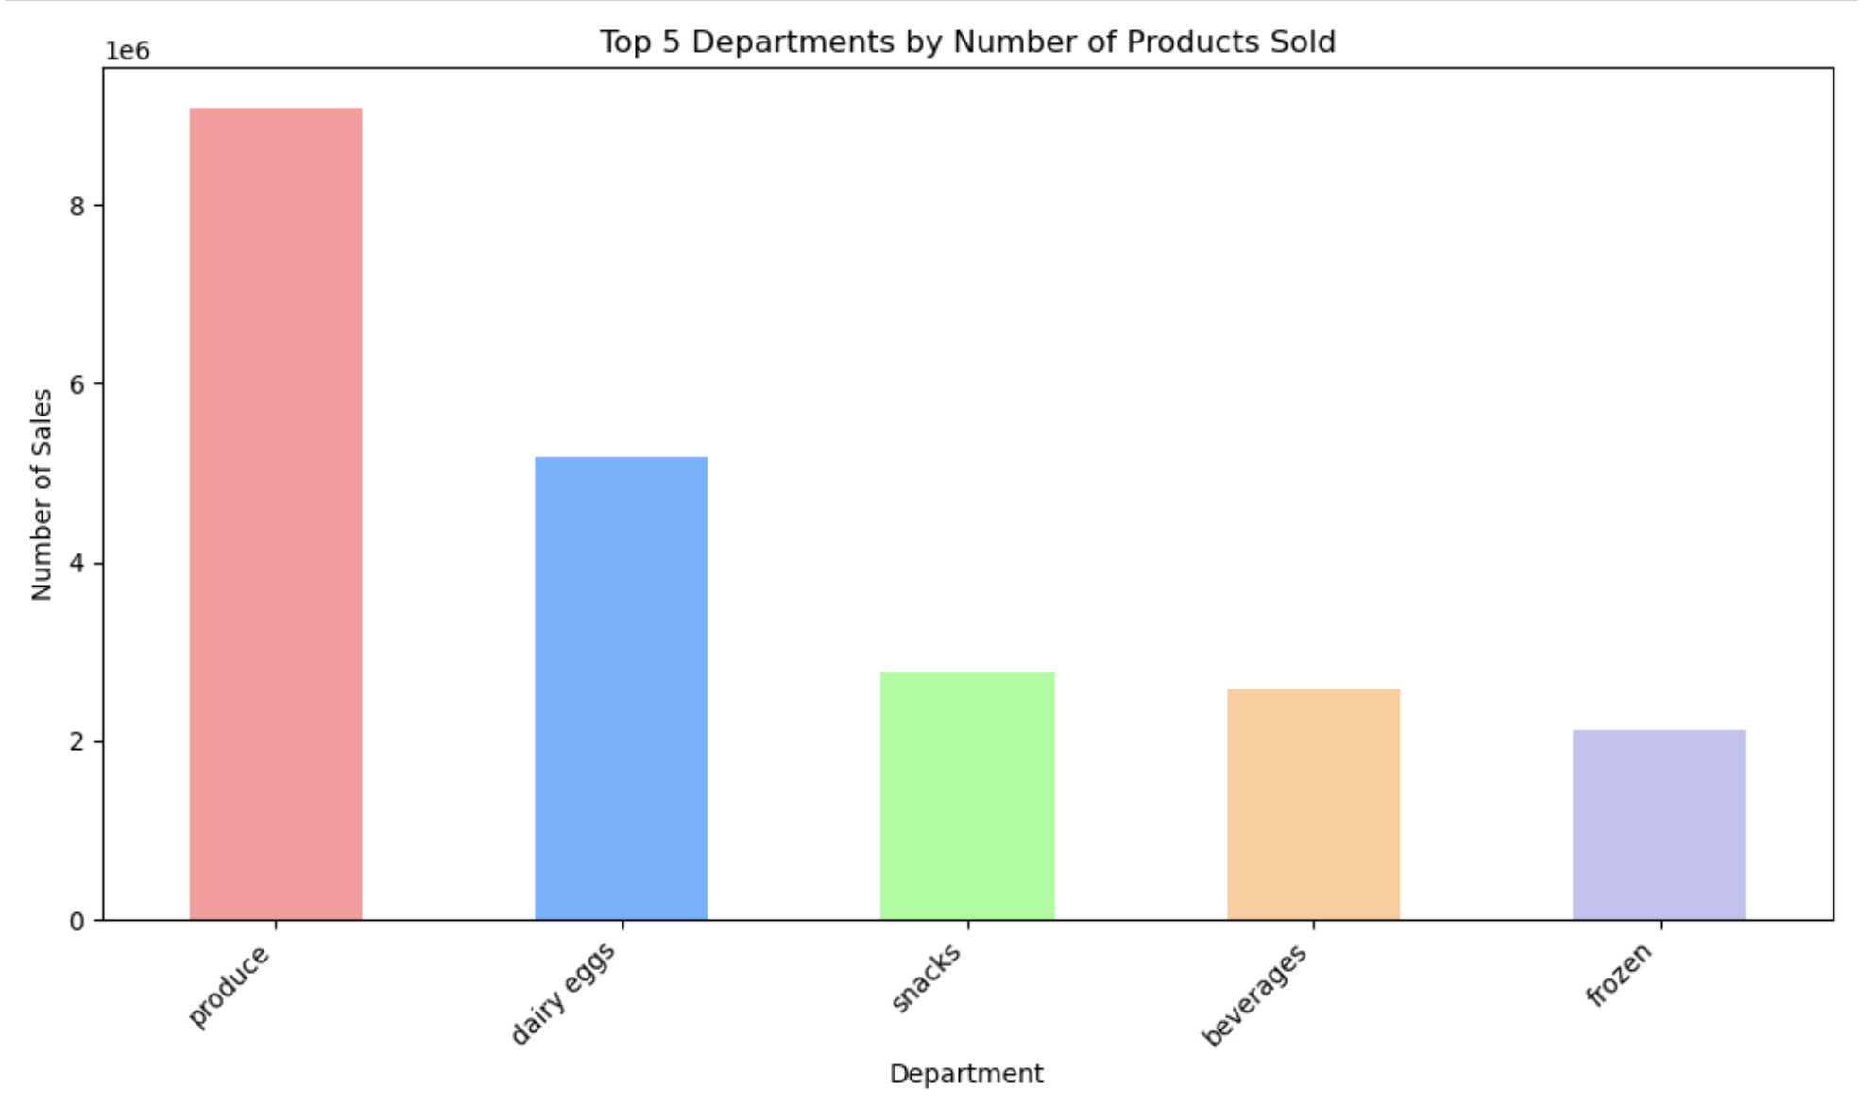

 |  |  |  |  | Productes from the produce department are by far the most popular products

 | Whats the distribution amog users in regards of their brand loyalty?

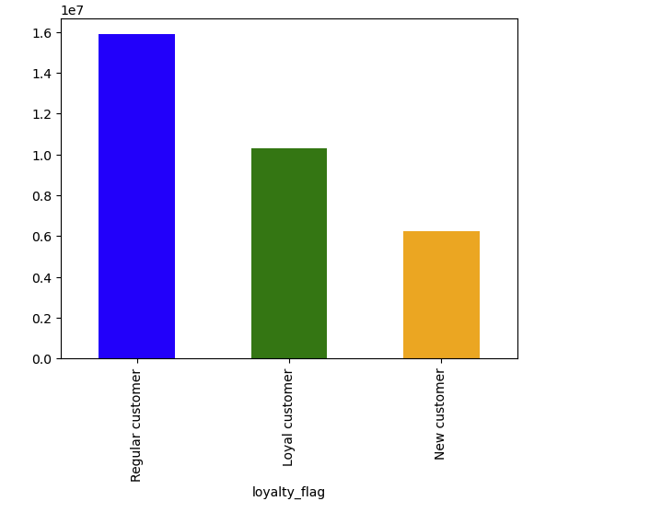

 |  |  | Most customers are regular customers

 | Are there differences in ordering habits based on a customers a customers loyalty?

 | 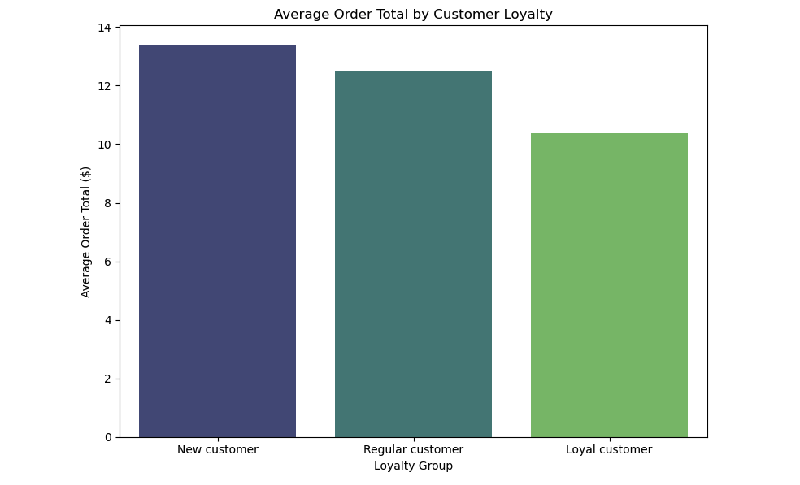 |  |  |  | New customers have the highest average order total, followed by regular customers and then loyal customers. |  | 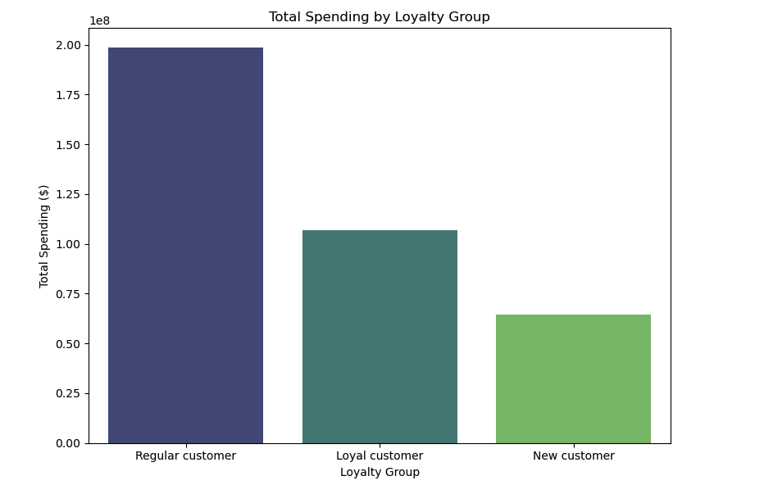 | Regular customers contribute the most to total spending, followed by loyal customers, with new customers spending the least overall.

 | Are there differences in orderung habits based on a customers region?

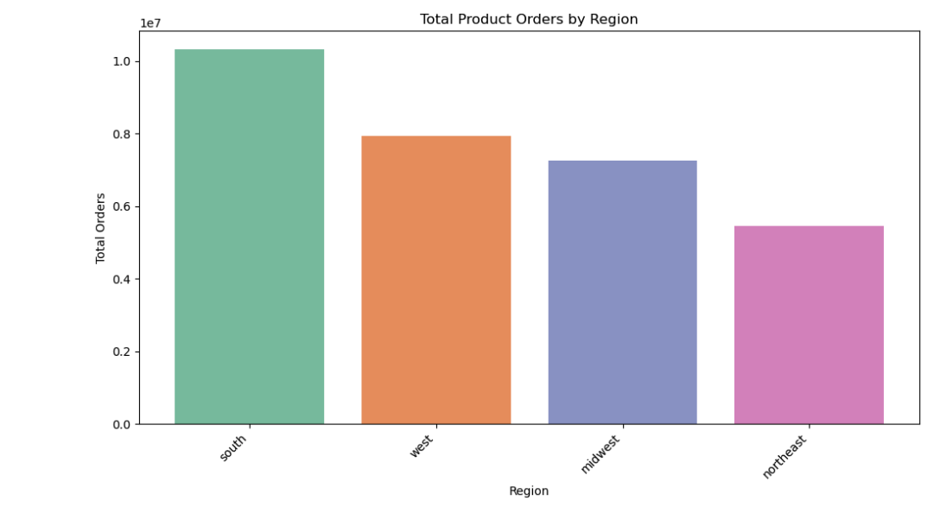

 |  |  |  |  |  | South region outperform other regions in terms of orders by far

 | Is there a connection between age and family status in terms of ordering?

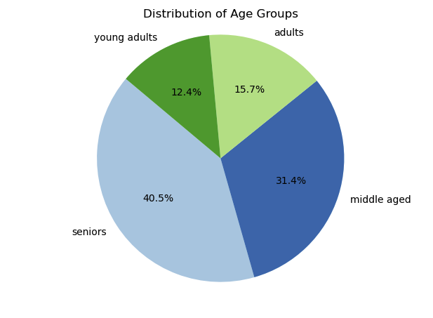
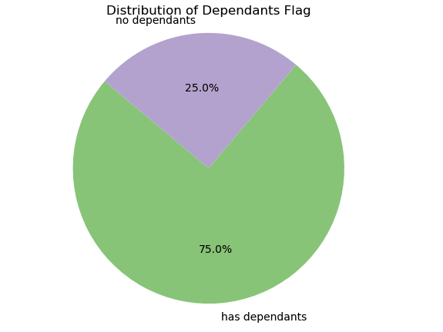

 |  |  |  |  |  |  | The heatmap provides a visual representation of how average spending varies across different age groups and family statuses.

 | 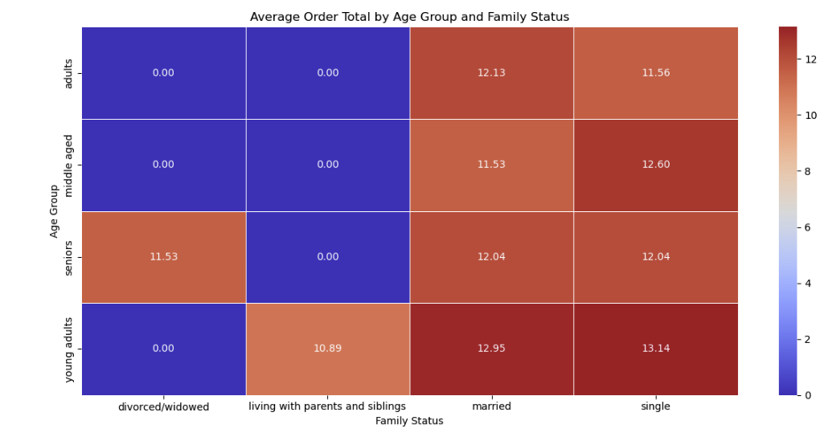 |  |  |  |  |  | Key Takeaways Higher Spending Among Singles: Single individuals, particularly young adults and middle-aged individuals, tend to have the highest average order totals. This could be attributed to various factors such as less emphasis on budgeting or different consumption patterns compared to other family statuses. Married Individuals: There is a noticeable average order total among married adults and middle-aged individuals, suggesting they also have substantial spending, likely due to family needs. Consistency in Seniors: Seniors show consistent spending across different marital statuses, which might indicate stable spending habits in this age group.

 | What difference can you find in ordering habits of different customers customer profiles? Consider the price of orders, frequency of orders, products customers are ordering, and anything else you can think of.

 |  |  |  |  |  |  | Order Frequency |  |  | Average Order Price

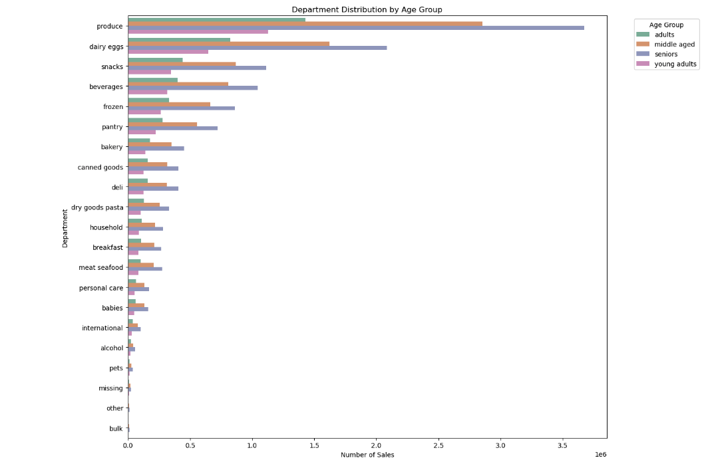
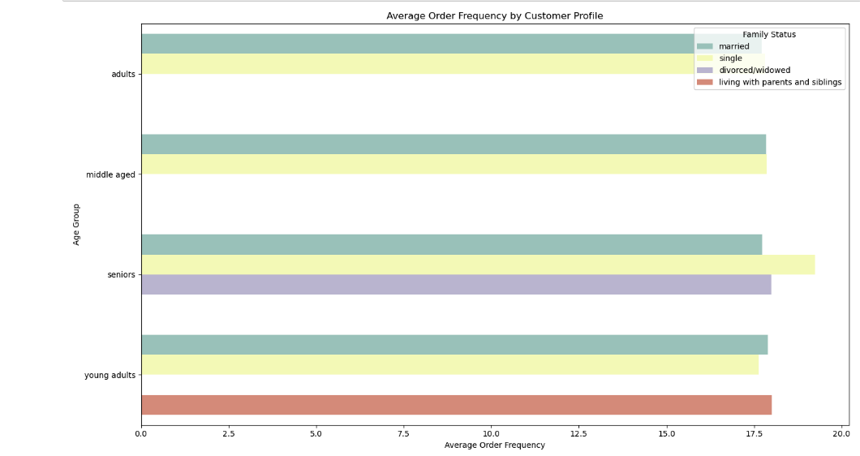
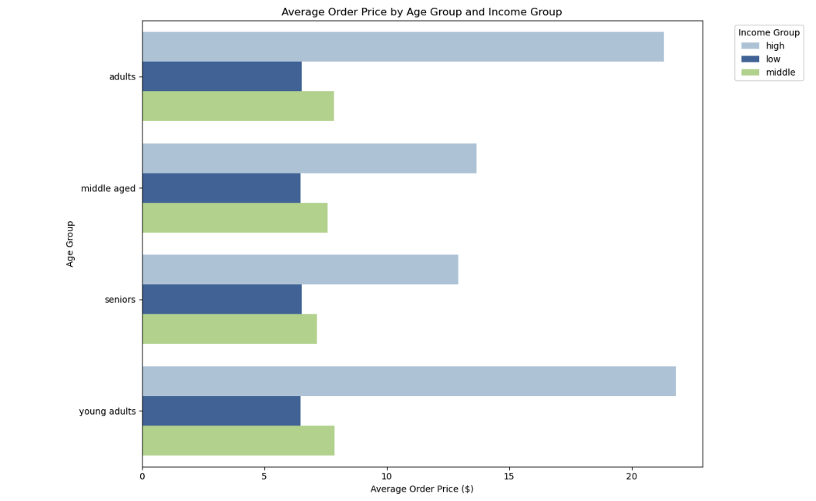

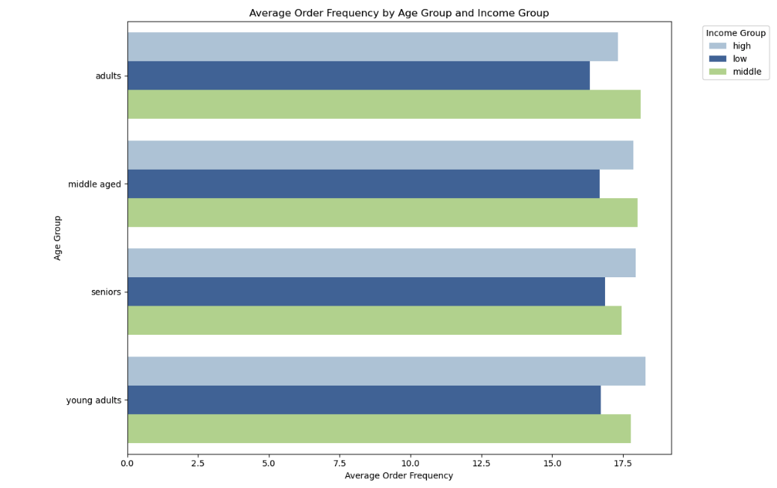

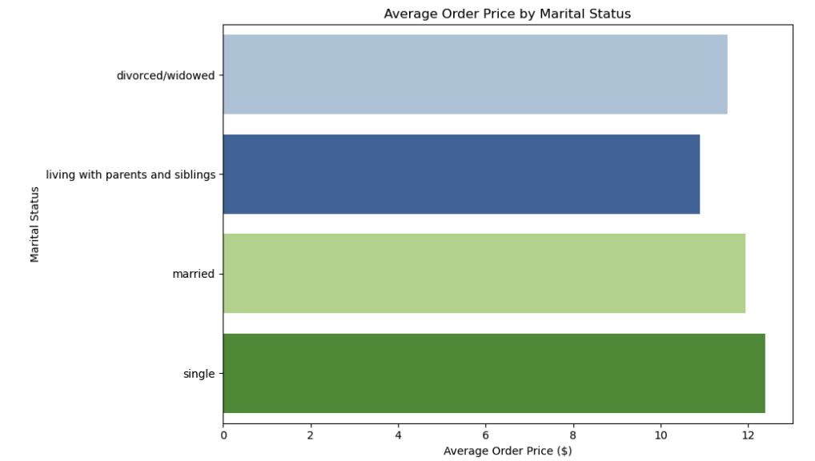

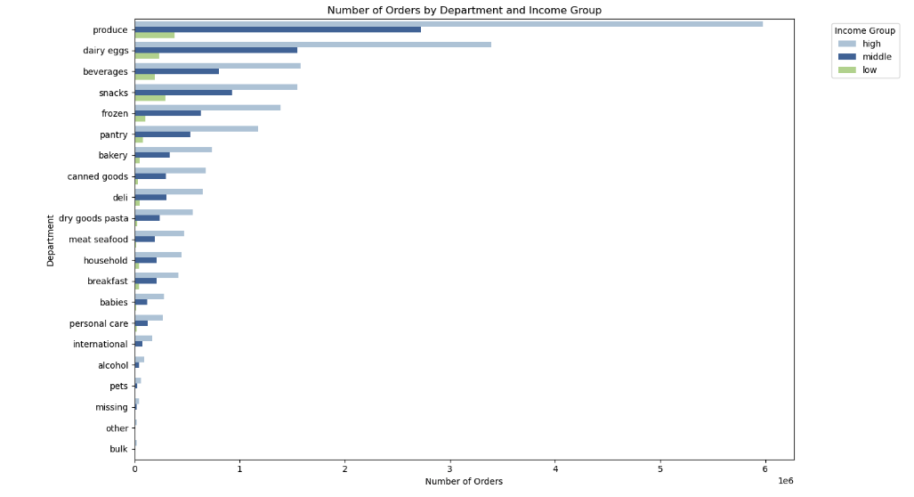

 |  |  |  |  |  |  |  |  | Average order price is not much affected by marital status
 |  |  |  |  |  |  | Order Frequency is not affected and is stable across all income groups, age groups and family status |  | Young adults and adults spend on average the most

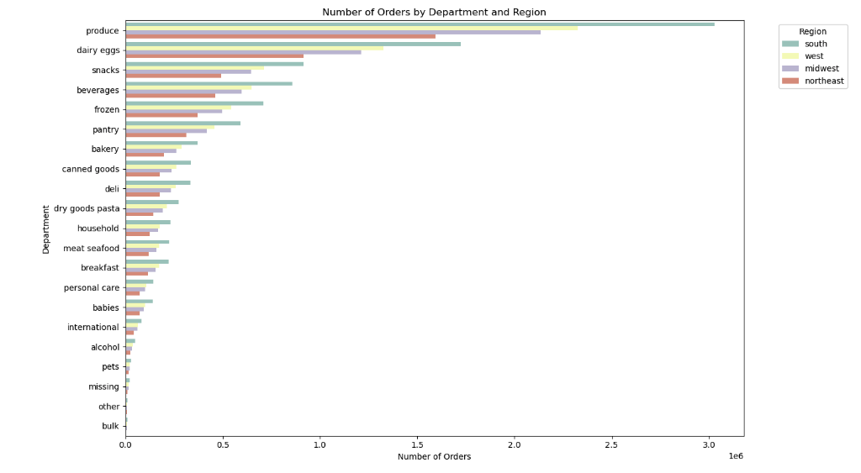

 |  | Products and dairy eggs from the produce department are popular across all income groups, age groups and region

7. Recommendations
 |  | Title page

Recommendations

In this tab you should include any recommendations you would made to Instcart in terms of their marketing strategy based on the questions posed in the brief. Every key question has been covered in the Tasks of the Exercises - here you need to add an item - a visualisation or table/crosstable that is showing the answer in the data, acompanied by a comment from you. Please, list the questions below and add the answer underneath.

Question | Answer
What days of the week and hour of the day are the busiest? | Allocate more staff and inventory on Sundays and Mondays to handle increased demand efficiently. Consider offering exclusive promotions or discounts on these days to capitalize on high traffic and boost sales. Additionally, optimize delivery schedules to manage the higher order volume smoothly
What times of the day do people spend the most money? | To maximize revenue, consider offering targeted promotions and product recommendations during these peak spending times, particularly at midnight (0:00) and early morning (5:00).
Are there certain types of products that are more popular then others? | Prioritize stocking and promoting produce, dairy and eggs, and snacks as they have the highest sales volume. Consider creating bundled deals or cross-promotions with these popular categories to boost sales further. Additionally, ensure these products are easily accessible and well-organized in-store or online for customer convenience.
Whats the distribution amog users in regards of their brand loyalty? | The majority are regular customers, followed by loyal customers, and finally new customers. Focus on converting regular customers into loyal customers through personalized loyalty programs and exclusive offers. Additionally, implement strategies to engage new customers, such as introductory discounts and targeted marketing, to encourage repeat purchases and build brand loyalty.
Are there differences in ordering habits based on customers brand loyalty? | Consider offering incentives for loyal customers to increase their order size, as they currently spend less per order. Additionally, create campaigns to retain new customers, converting them into regular and loyal customers by encouraging repeat purchases through personalized offers and discounts.
Are there differences in orderung habits based on a customers region? | Focus marketing efforts and promotional campaigns more intensively in the South and West regions, as they exhibit higher ordering volumes. Additionally, consider regional preferences and tailor product assortments to align with local tastes and demands, particularly in the South where engagement is highest. For regions with lower orders like the Northeast, explore strategies to increase market penetration, such as localized promotions or partnerships with local influencers.
Is there a connection between age and family status in terms of ordering? | Focus on creating targeted marketing campaigns for single and married young adults, as they have the highest average order totals. Consider offering personalized promotions or discounts that appeal to these groups
What difference can you find in ordering habits of different customers customer profiles? Consider the price of orders, frequency of orders, products customers are ordering, and anything else you can think of. | The consistent demand for produce, dairy eggs, and snacks across various demographics and regions suggests that these categories are universally appealing and essential to customers. This trend indicates the importance of maintaining a strong inventory in these categories and considering them in marketing and promotional strategies.
 | Since young adults and adults spend the most on average, consider tailoring marketing campaigns and promotions specifically for these age groups. Offer premium product lines, exclusive deals, and loyalty rewards to encourage higher spending.

